GRAFIK
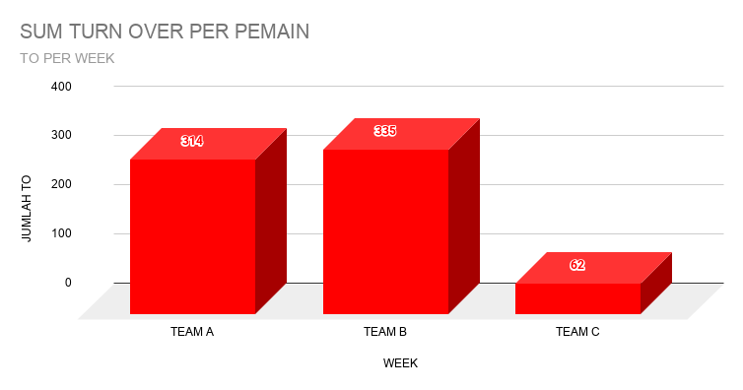
STATISTIK GAME PUSLATDA PON DIY
TAHUN 2024

PILIH NAMA LEWAT FILTER | WEEK NUMBER
Didiv Wandha Prahardiksaaji | K41 VS BDG BARAT

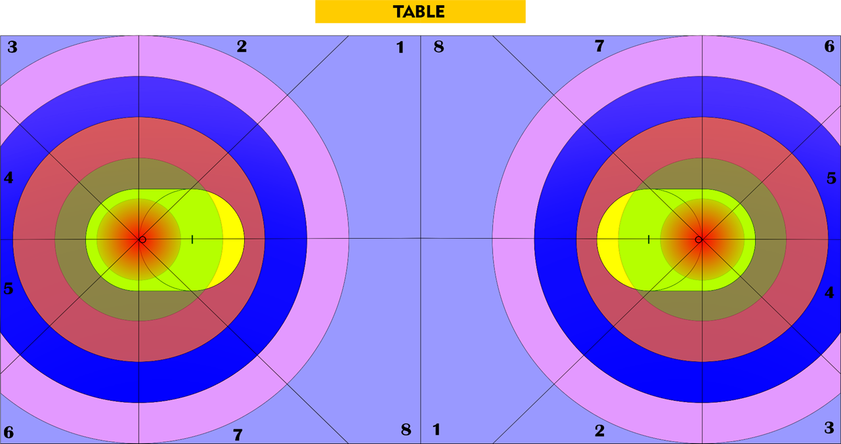

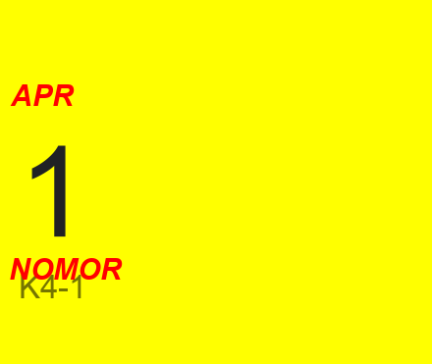

STATISTIK SHOOT

FIELD GOAL ATTEMPT
FIELD GOAL ATTEMPT

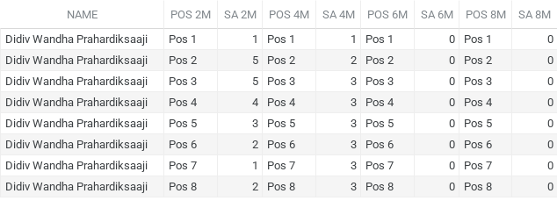

FIELD GOAL ATTEMPT
FIELD GOAL ATTEMPT

FIELD GOAL MADE
FIELD GOAL MADE
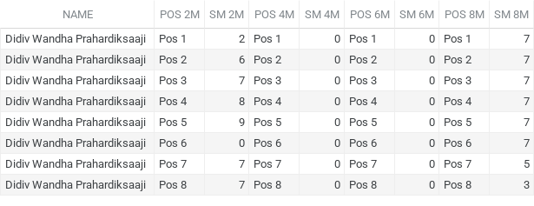

FIELD GOAL MADE
FIELD GOAL MADE

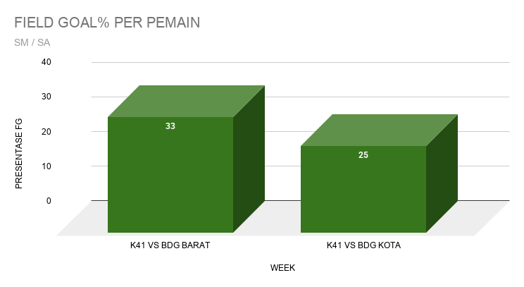
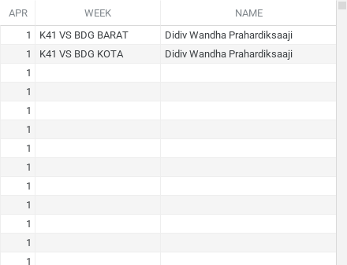

STATISTIK RUNNING IN
RUNNING IN MADE

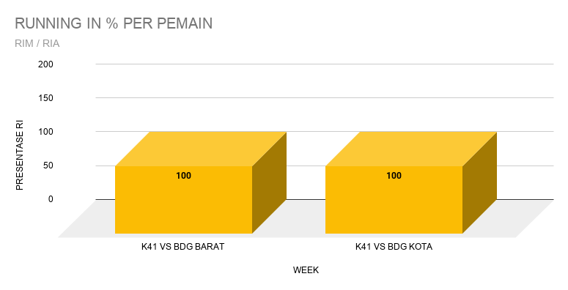

OTHER STATISTIK
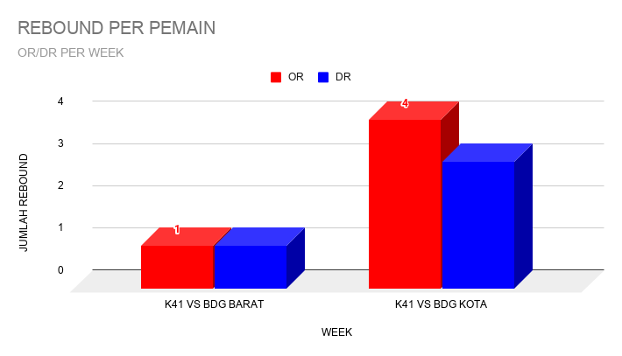
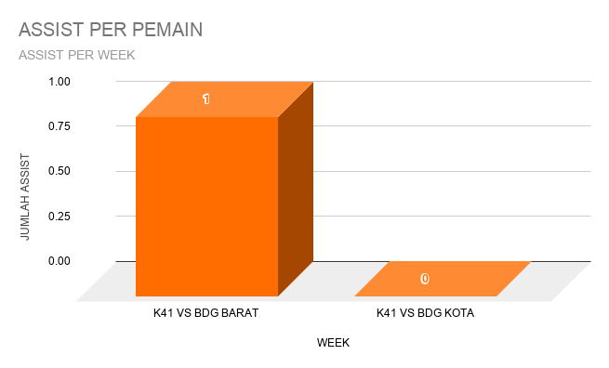
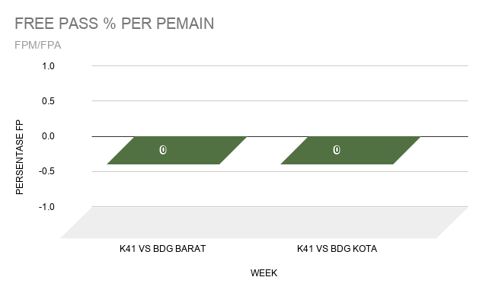

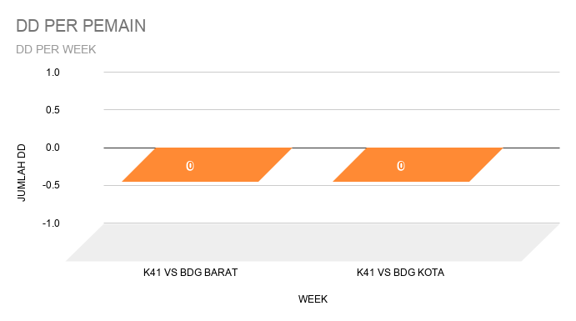
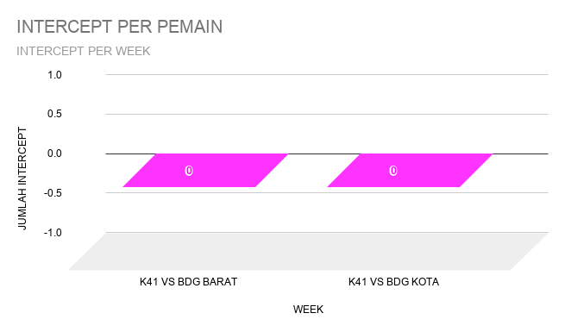
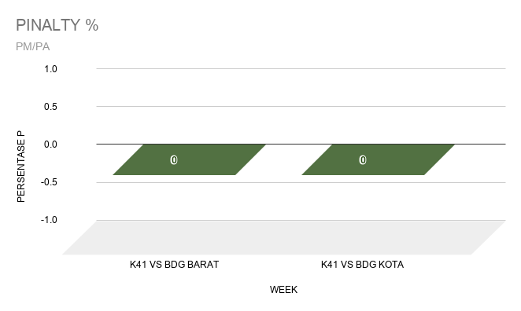

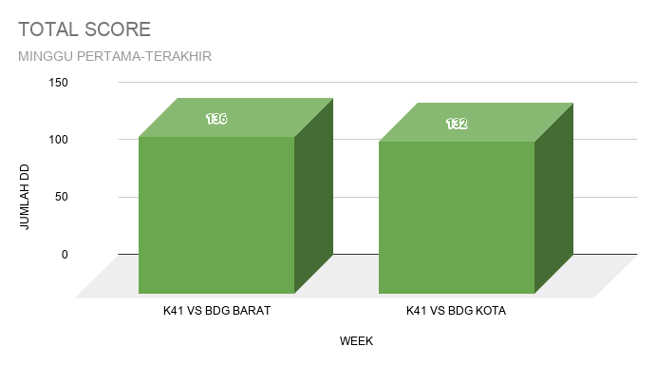

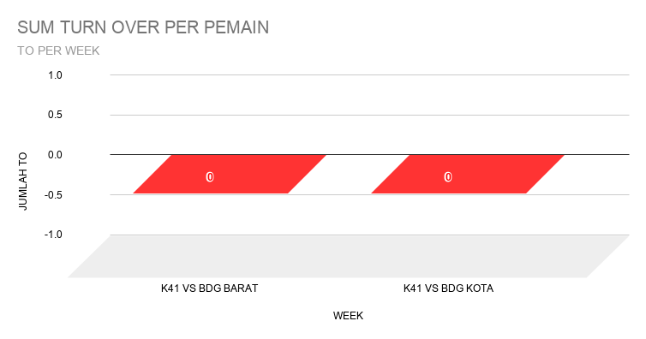
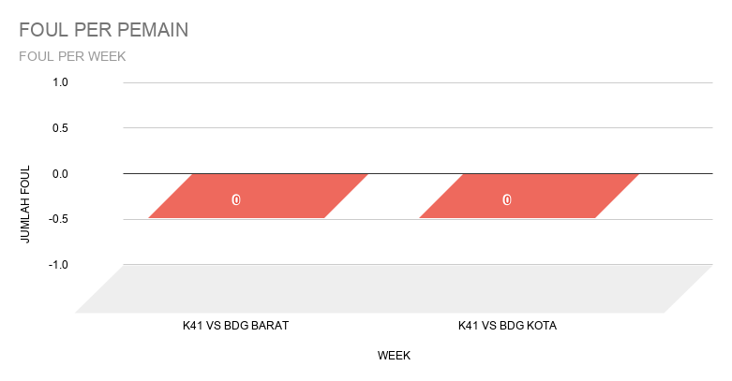

 |  | STAT TEAM

